Session
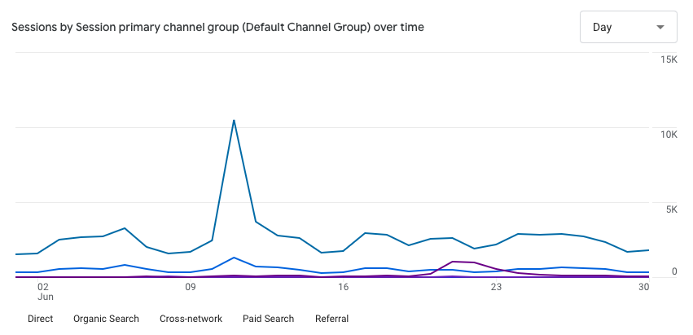
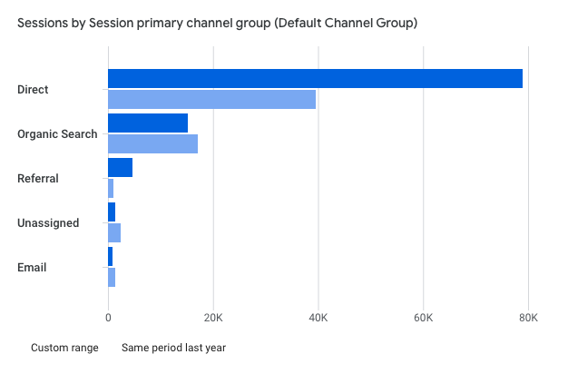
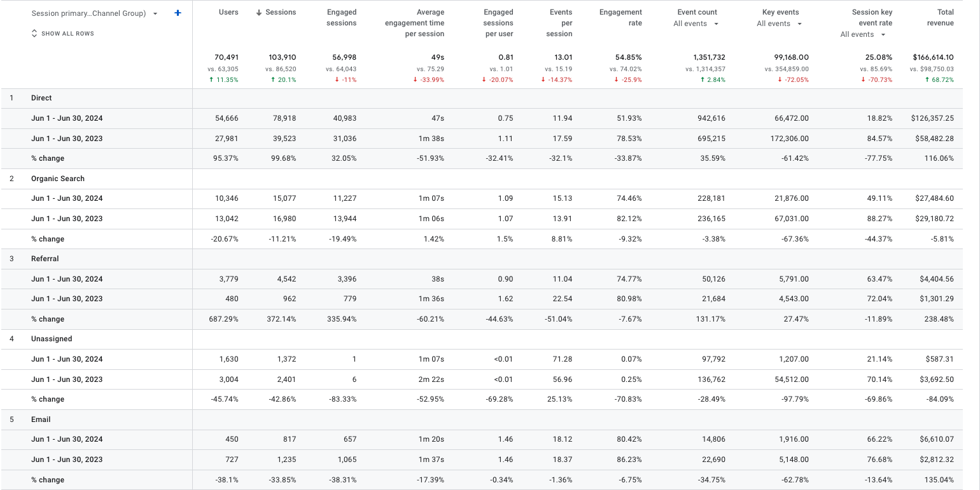
Orginal Data
For the Year 2024
Default Channel Grouping | Date Range | Sessions |  | 1-Jun-24 | 1-Jun-23 | % Change
Direct | Jun 1, 2024 - Jun 30, 2024 | 78,918 | Direct | 78,918 | 39,523 | 99.68%
Organic Search | Jun 1, 2024 - Jun 30, 2024 | 15,077 | Organic Search | 15,077 | 16,980 | -11.21%
Referral | Jun 1, 2024 - Jun 30, 2024 | 4,542 | Referral | 4,542 | 962 | 372.14%
Unassigned | Jun 1, 2024 - Jun 30, 2024 | 1,372 | Email | 817 | 6,593 | -87.61%
Organic Shopping | Jun 1, 2024 - Jun 30, 2024 | 527 | Paid Search | 481 | 41 | 1073.17%
Email | Jun 1, 2024 - Jun 30, 2024 | 817
Session by Marketing Channel
Paid Search | Jun 1, 2024 - Jun 30, 2024 | 481
Organic Social | Jun 1, 2024 - Jun 30, 2024 | 446
Paid Other | Jun 1, 2024 - Jun 30, 2024 | 35
Organic Video | Jun 1, 2024 - Jun 30, 2024 | 15
(Other) | Jun 1, 2024 - Jun 30, 2024 | 1,680
Overall | Jun 1, 2024 - Jun 30, 2024 | 103,910

For the Year 2023
Default Channel Grouping | Date Range | Sessions
Direct | Jun 1, 2023 - Jun 30, 2023 | 39,523
Organic Search | Jun 1, 2023 - Jun 30, 2023 | 16,980
Cross-Network | Jun 1, 2023 - Jun 30, 2023 | 16,871
Paid Search | Jun 1, 2023 - Jun 30, 2023 | 6,593
Unassigned | Jun 1, 2023 - Jun 30, 2023 | 2,401
Email | Jun 1, 2023 - Jun 30, 2023 | 1,235
Organic Social | Jun 1, 2023 - Jun 30, 2023 | 995
Referral | Jun 1, 2023 - Jun 30, 2023 | 962
Display | Jun 1, 2023 - Jun 30, 2023 | 9
Organic Video | Jun 1, 2023 - Jun 30, 2023 | 9
(Other) | Jun 1, 2023 - Jun 30, 2023 | 942
Overall | Jun 1, 2023 - Jun 30, 2023 | 86,520

For the Year 2024
Device Category | Date Range | Sessions |  | 1-Jun-24 | 1-Jun-23 | % Change
desktop | Jun 1, 2024 - Jun 30, 2024 | 54,319 | Desktop | 54,319 | 40,636 | 33.67%
mobile | Jun 1, 2024 - Jun 30, 2024 | 36,005 | Mobile | 36,005 | 41,576 | -13.40%
tablet | Jun 1, 2024 - Jun 30, 2024 | 12,801 | Tablet | 12,801 | 4,126 | 210.25%
smart tv | Jun 1, 2024 - Jun 30, 2024 | 11 | Smart TV | 11 | 5 | 120.00%
other | Jun 1, 2024 - Jun 30, 2024 | 774 | Other | 774 | 177 | 337.29%
Sessions by Device Category
Overall | Jun 1, 2024 - Jun 30, 2024 | 103,910

For the Year 2023
Device Category | Date Range | Sessions
mobile | Jun 1, 2023 - Jun 30, 2023 | 41,576
desktop | Jun 1, 2023 - Jun 30, 2023 | 40,636
tablet | Jun 1, 2023 - Jun 30, 2023 | 4,126
smart tv | Jun 1, 2023 - Jun 30, 2023 | 5
other | Jun 1, 2023 - Jun 30, 2023 | 177
Overall | Jun 1, 2023 - Jun 30, 2023 | 86,520

Views/Sessions
For the Year 2024 |  |  |  | 1-Jun-24 | 1-Jun-23 | % Change
Device Category | Date Range | Views/Session | Desktop | 4.19 | 4.37 | -4.12%
desktop | Jun 1, 2024 - Jun 30, 2024 | 4.19 | Mobile | 2.53 | 2.45 | 3.27%
mobile | Jun 1, 2024 - Jun 30, 2024 | 2.53 | Smart TV | 1.45 | 1.00 | 45.00%
smart tv | Jun 1, 2024 - Jun 30, 2024 | 1.45 | Tablet | 1.38 | 1.72 | -19.77%
Views/Session for Each Device Category
tablet | Jun 1, 2024 - Jun 30, 2024 | 1.38
Overall | Jun 1, 2024 - Jun 30, 2024 | 3.24

For the Year 2023
Device Category | Date Range | Views/Session
desktop | Jun 1, 2023 - Jun 30, 2023 | 4.37
mobile | Jun 1, 2023 - Jun 30, 2023 | 2.45
smart tv | Jun 1, 2023 - Jun 30, 2023 | 1.00
tablet | Jun 1, 2023 - Jun 30, 2023 | 1.72
Overall | Jun 1, 2023 - Jun 30, 2023 | 3.31

Reports pulled from Google Analytics

Customer_Behaviour
Bounce Rate
Jun-24 | 45.15%
Jun-23 | 25.98%
% change | 73.79%

Bounce Rate By User Type
 | Bounce Rate By User Type
Jun-24 | 44.99%
Jun-23 | 22.77%
Jun-24 | 43.38%
Jun-23 | 21.49%
Bounce Rate By User Type
User Type | Date Range | Bounce Rate
New Visitor | Jun-24 | 44.99%
New Visitor | Jun-23 | 22.77%
% change |  | 97.58%
Returning Visitor | Jun-24 | 43.38%
Returning Visitor | Jun-23 | 21.49%
% change |  | 101.86%

Bounce Rate by Browsers
 | 2024 | 2023
Safari | 57.66% | 33.06%
Mozilla | 72.22% | 66.67%
Amazon Silk | 77.60% | 62.71%
Phoenix Browser | 100.00% | 50.00%
Bounce Rate By Browser
Browser | Date Range | Bounce Rate
Safari | Jun-24 | 57.66%
Safari | Jun-23 | 33.06%
Mozilla | Jun-24 | 72.22%
Mozilla | Jun-23 | 66.67%
Amazon Silk | Jun-24 | 77.60%
Amazon Silk | Jun-23 | 62.71%
Phoenix Browser | Jun-24 | 100.00%
Phoenix Browser | Jun-23 | 50.00%

Checkout Jouney By Device Category
Device Category | Date Range | Begin Checkout | %Change | Add Shipping | %Change | Add Payment | %Change | Purchase | %Change
desktop | Jun-24 | 2,074 | 46.47% | 2,067 | 593.62% | 1,653 | 634.67% | 1,074 | 620.81%
desktop | Jun-23 | 1,416 |  | 298 |  | 225 |  | 149
mobile | Jun-24 | 572 | 0.70% | 572 | 822.58% | 323 | 572.92% | 167 | 943.75%
mobile | Jun-23 | 568 |  | 62 |  | 48 |  | 16
tablet | Jun-24 | 12 | -25.00% | 12 | 500.00% | 5 | 400.00% | 4 | 300.00%
tablet | Jun-23 | 16 |  | 2 |  | 1 |  | 1

For the Year 2024 |  |  |  |  |  | For the Year 2023
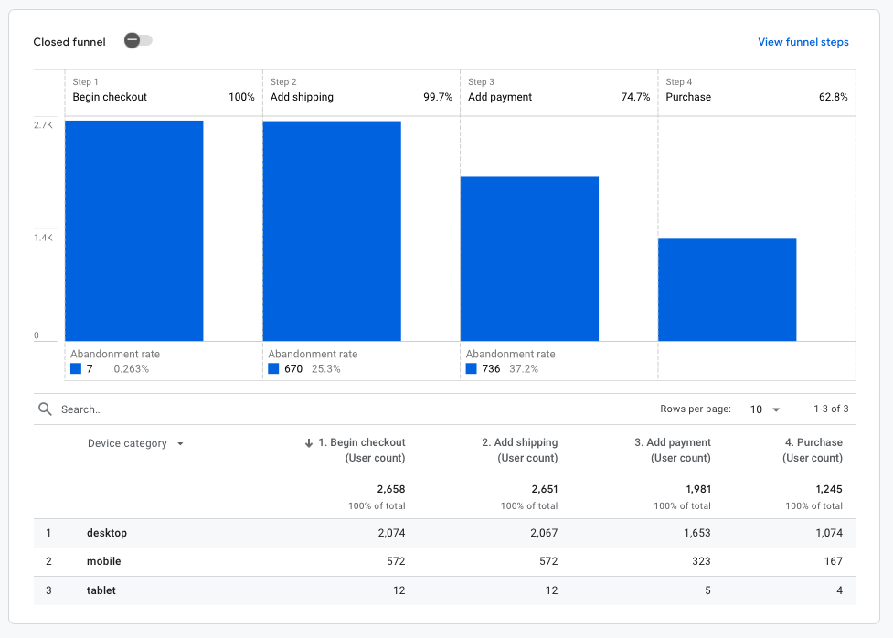
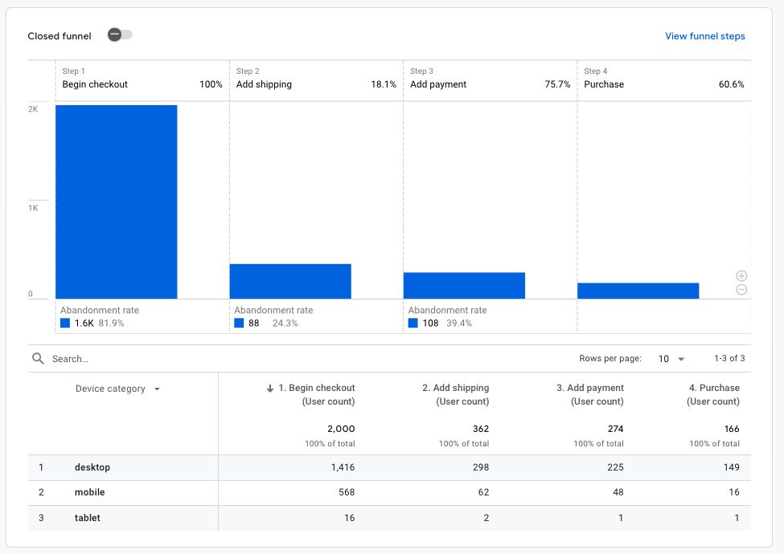

Item Cart Addition by Item Name
For Year 2024 |  |  |  |  | For Year 2023
Item Name | Cart Additions | % of Total |  |  | Item Name | Cart Additions | % of Total
Total | 1,000,239,232 | 100% |  |  | Total | 100,120,099,474 | 100%
Google Alabaster Duffel | 1,000,000,077 | 99.98% |  |  | Chrome Dino Glow-in-the-Dark Sticker | 100,000,000,276 | 99.88%
Stan and Friends Tee Green | 200,017 | 0.02% |  |  | Google Gradient Green Sunglasses | 100,000,098 | 0.10%
Chrome Dino Brick Set | 4,814 | 0.00048% |  |  | Google Maps Pin Patch | 20,000,061 | 0.02%
Google Sticker | 871 | 0.00009% |  |  | Emoji Kitchen Sticker Sheet | 34,272 | 0.00003%
Google Recycled Canvas Tote | 832 | 0.00008% |  |  | Google Metallic Notebook Set | 10,386 | 0.00001%

Cart Additions for Year 2024
Cart Additions for Year 2023

Revenue
 | Revenue by Device Category
 | Jun-24 |  |  |  | Jul-23
 |  | Revenue | % of Total |  |  | Revenue | % of Total
 | Total | $166,614.10 |  |  | Total | $98,750.03 |  | %Change over the Year
1 | desktop | $153,518.91 | 92.14% | 1 | desktop | $92,936.58 | 94.11% | 65.19%
2 | mobile | $12,779.20 | 7.67% | 2 | mobile | $4,803.45 | 4.86% | 166.04%
3 | tablet | $315.99 | 0.19% | 3 | tablet | $1,010.00 | 1.02% | -68.71%

Revenue by Device Category

 | Revenue by Customer Type
 | Jun-24 |  |  |  | Jul-23
 |  | Revenue | % of Total |  |  | Revenue | % of Total
 | Total | $166,614.10 |  |  | Total | $98,750.03 |  | %Change over the Year
1 | new | $101,119.54 | 60.69% | 1 | new | $60,449.43 | 61.21% | 67.28%
2 | established | $55,400.18 | 33.25% | 2 | established | $35,110.10 | 35.55% | 57.79%
3 | (notset) | $10,094.38 | 6.06% | 3 | (not set) | $3,190.50 | 3.23% | 216.39%

Revenue by Customer Type

